Blad1
Your information
Your name
E-mail address
Telephone number

Delivery
Name branche
Contact person
Address
Postal code and city
Country

Invoicing
LCC/BV
Department
Cost center
Name budgetholder

Note! Fill in one of the indicated order units of the product.
Article |  | Quantity | Price per piece | Total costs
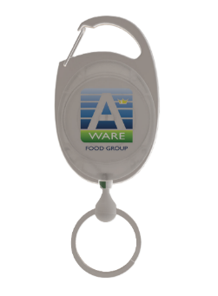 | Rollerclip badge holder (25-50-100-200-400 pc.) | 0 | € 1.89 | € -
 | Pen (50-100-200-400-800-1000 pc.) | 0 | € 0.39 | € -
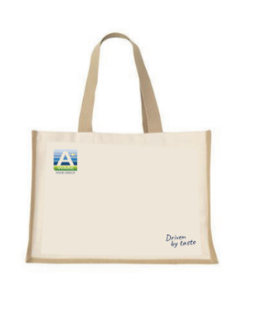 | Jute shopping bag (10-25-50-100 pc.) | 0 | € 4.55 | € -
 | Thermos flask (10-25-50-100 pc.) | 0 | € 4.45 | € -
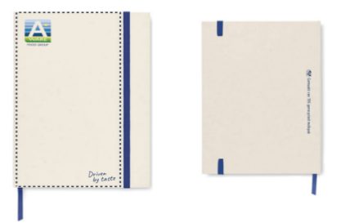 | Notepad A5 size (10-25-50-100 pc.) | 0 | € 4.88 | € -
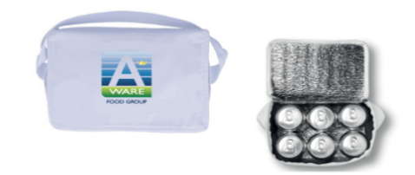 | Cool bag 20x14x13cm (10-25-50-100) | 0 | € 3.09 | € -
 |  |  |  |  | Size | Quantity | *The more polo shirts you order, the lower the price per item.
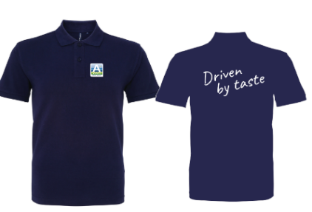
 |  |  |  |  | S |  | Check the table below for the graduated prices.
 |  |  |  |  | M |  | Your discount will be calculated after you place your order.
 |  |  |  |  | L
 |  |  |  |  | XL |  | The following graduated prices apply for the polo shirts:
 |  |  |  |  | XXL
 | Polo Shirt men* (10-25-50-100-200-400-800-1000 pc.) | 0 | € 14.90 | € - |  |  | Box of | Price per piece
 |  |  |  |  | Size | Quantity | 10 | € 14.90
 |  |  |  |  | S |  | 25 | € 13.50
 |  |  |  |  | M |  | 50 | € 12.75
 |  |  |  |  | L |  | 100 | € 11.90
 |  |  |  |  | XL |  | 200 | € 10.50
 |  |  |  |  | XXL |  | 500 | € 9.75
 | Polo Shirt women* (10-25-50-100-200-400-800-1000 pc.) | 0 | € 14.90 | € -
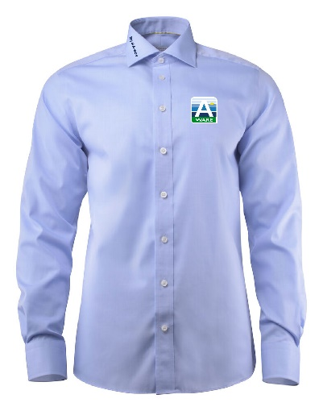
 |  |  |  |  | Size | Quantity | ** If you want to order less than 6 blouses,
 |  |  |  |  | XS |  | a small order fee of 10 euros will be added to your order.
 |  |  |  |  | S
 |  |  |  |  | M
 |  |  |  |  | L
 |  |  |  |  | XL
 |  |  |  |  | XXL
 |  |  |  |  | 3XL
 |  |  |  |  | 4XL
 | Blouse men** (from 6 to 25 pc.) | 0 | € 62.00 | € -
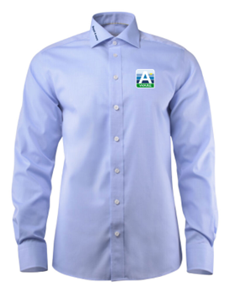
 |  |  |  |  | Size | Quantity
 |  |  |  |  | XS
 |  |  |  |  | S
 |  |  |  |  | M
 |  |  |  |  | L
 |  |  |  |  | XL
 |  |  |  |  | XXL
 |  |  |  |  | 3XL
 |  |  |  |  | 4XL
 | Blouse women** (from 6 to 25 pc.) | 0 | € 62.00 | € -

 | Subtotal |  |  | € -
 | BTW 21% |  |  | € -
 | Total excl shipping costs |  |  | € -

